Comps
Westview - Lease Comps
# | Property | Submarket | Lease Start | Tenant | Term (Months) | SF | $ PSF (NNN) | TI

1 | 1300 Guadalupe | CBD | Oct-21 | Social Finance | 39 | 2,592 | $35.00 | Spec
 | 1300 Guadalupe | CBD | Feb-20 | Outdoorsy | 51 | 8,966 | $35.00 | $0.00
2 | 210 W 7th (UT Systems) | CBD | Sep-20 | Texas 2036 | 60 | 3,433 | $41.00 | $0.00
 | 210 W 7th (UT Systems) | CBD | Sep-20 | Texas 2036 | 60 | 3,433 | $41.00 | $35.00
3 | 515 Congress | CBD | Sep-20 | Matthews Retail Group | 35 | 3,088 | $42.00 | $22.50
 | 515 Congress | CBD | Apr-21 | Rhode Partners | 59 | 4,578 | $43.00 | $15.10
 | 515 Congress | CBD | Mar-21 | Restream, Inc. | 26 | 2,840 | $42.50 | As-is
 | 515 Congress | CBD | May-21 | Rightworks Staffing | 64 | 4,743 | $42.25 | As-is
 | 515 Congress | CBD | Apr-20 | Dechert LLP | 36 | 4,762 | $43.50 | P&C
4 | 816 Congress | CBD | Feb-20 | Slalom | 84 | 7,030 | $38.00 | $55.00
5 | Capitol Tower | CBD | Oct-21 | Kazoo | 60 | 13,376 | $38.00 | $12.00
6 | Chase Tower | CBD | Mar-21 | Me | 40 | 4,537 | $43.00 | $0.00
 | Chase Tower | CBD | Sep-20 | ProCore | 63 | 5,320 | $43.00 | $35.00
 | Chase Tower | CBD | Mar-20 | ProCore | 68 | 6,723 | $43.00 | $35.00
 | Chase Tower | CBD | Feb-20 | TGLO | 71 | 5,266 | $41.00 | $0.00
7 | Hartland Plaza | CBD | Aug-21 | Texas Partners Bank | 90 | 4,879 | $37.50 | $40.00
 | Hartland Plaza | CBD | Apr-20 | LOC Ltd | 42 | 1,113 | $35.00 | $0.00
8 | IBC Bank Plaza | CBD | Sep-21 | WM Servicing | 43 | 4,631 | $42.00 | $0.00
 | IBC Bank Plaza | CBD | May-21 | Ancient Art | 65 | 3,731 | $38.00 | $0.00
9 | Norwood Tower | CBD | Mar-20 | Big Wind | 60 | 2,586 | $43.00 | Spec
 | Norwood Tower | CBD | Jul-19 | Vault | 60 | 3,915 | $40.00 | Spec
10 | Quincy | CBD | Sep-21 | Wayfair | 65 | 45,000 | $39.50 | $95.00

 | Property Averages |  |  |  |  | 6,661 | $39.91
 | Westview - Market Rate | CBD |  |  |  |  | $40.00
 |  |  |  |  |  | Premium (Discount) | (0)
 | Source: JLL

Number | Address | City | State
1 | 1300 Guadalupe Street | Austin | TX
2 | 210 W 7th Street | Austin | TX |  |  |  |  |  |  | Westview - Sale Comps
3 | 515 Congress Avenue | Austin | TX |  |  |  |  |  | # | Property | Year Built | Total Size | Sale Date | Sale Price | PSF | Occupancy | Cap Rate | Ground Lease? | Notes
5 | 216 E. 9th Street | Austin | TX |  |  |  |  |  | 1 | 900 Congress Avenue | 1965 | 64,644 | UC | $47,000,000 | $727 | 54.8% | 2.6% | No | To be purchased by owner-use (healthcare tech). Two floors are in shell condition (21,000 sf of space). Buyer plans to take current vacancy and expand into other suites as tenants expire. Property renovations are of lower quality and property includes difficult mezz space. Includes off-site parking garage providing 4.5 per 1,000 sf of parking (parking garage sits on 0.27 acres of land on 9th and Colorado). Prosperity Bank occupies ground floor. Includes 6,266 sf of true basement space and 3,653 sf of mezz with low ceilings.
 |  |  |  |  |  |  |  |  | 2 | 823 Congress Avenue | 1970 | 190,254 | UC | $80,000,000 | $420 | 71.0% | 3.8% | Yes | Major tenant is co-working group Industrious (18% of property). Ground-floor retail includes 7-11 through 2039, USPS through 2027 and Total Men's Primary Care through 2027. Partially sits on ground lease with annual rent payments of $165k. Property is 71% with 37% of NRA expiring in the first four years. Current ownership has put $80 psf into the property since 2015 (of which $26 psf is tenant improvements). 1.1 per 1,000 sf of parking. Asking rent's are $38.00 psf NNN
 |  |  |  |  |  |  |  |  | 3 | 600 Congress Avenue | 1984 / 2019 | 507,624 | Jan-22 | $288,000,000 | $567 | 76.0% | 4.5% | No | Major tenants include WeWork, Tableau and Box. 5 years WALT. 32-story property with dated design and 20-30+ ksf floor plates. Buyer (Beacon) to perform major renovation in the $150 - $200 psf range bringing all-in basis once leased to $725 - $775+ psf. On-site parking provides 1.6 per 1,000 sf
6 | 221 W. 6th Street | Austin | TX |  |  |  |  |  | 4 | 816 Congress Avenue | 1983 / 2014 | 434,801 | Jan-22 | $175,000,000 | $402 | 76.0% | 0.0% | Yes | Property is on ground leases through 2080 with $1.3M owed in annual ground lease rent. Major tenant, TRS (77 ksf) vacating Q1 2023 putting effective occupancy at 58%. Buyer to perform $30 million renovation ($70 psf). All-in basis at $530+ psf after accounting for leasing costs. In-place rents are $34 psf NNN. On-site parking provides 1.1 per 1,000 sf. 20-story tower with large/inefficient floor plates (33+ ksf floor plates) and dated design
7 | 1717 W. 6th Street | Austin | TX |  |  |  |  |  | 5 | Congress Commons | 1905 / 2013 | 50,244 | Oct-21 | $38,650,000 | $769 | 100.0% | 5.2% | No | Creative office and retail. 65% leased to Accenture through 2029. Remaining 35% leased to One Medical and Swift's Attic. Old property with very limited window lines
8 | 1717 W. 6th Street | Austin | TX |  |  |  |  |  | 6 | 2043 S. Lamar Blvd (Bouldin Creek) | 2020 | 177,395 | Jul-21 | $99,341,200 | $560 | 0.0% | 0.0% | No | Newly built office sold to Divco West in shell condition. 0% leased at time of sale. Divco leased building in Q4 2021 to two tenants at $45 - $46 NNN. Estimated all-in basis is $700 - $725 psf
9 | 114 W. 7th Street | Austin | TX |  |  |  |  |  | 7 | Indeed Tower | 2021 | 730,000 | Jun-21 | $580,000,000 | $795 | 57.0% | N/A | Yes | New construction trophy office 40% leased to Indeed with 13 years WALT. Estimated all-in basis expected to be $850+ once leasing is complete. Property is on a long-term ground lease
10 | 91 Red River Street | Austin | TX |  |  |  |  |  | 8 | 100 Congress Avenue | 1987 | 411,536 | May-21 | $313,000,000 | $761 | 94.0% | 5.0% | No | Trophy office on Lake Austin with 5.3 years WALT. 1980's design with recently renovated lobby but spaces in building still feel dated. Large floor plates (average 20 ksf)
 |  |  |  |  |  |  |  |  | 9 | 1600 E. 4th Street (The Foundry) | 2021 | 240,000 | Feb-21 | $147,600,000 | $615 | 30.0% | 0.0% | No | Two-building development in East Austin sold to Tishman Speyer. Tishman completed leasing at an average rate of ~$38 psf NNN implying a cap rate of 5.3% - 5.5% at est. all-in basis of $700 psf
 |  |  |  |  |  |  |  |  | 10 | 2416 E. 6th Street (UpCycle) | 1972 / 2018 | 81,660 | Mar-19 | $49,250,000 | $603 | 100.0% | 5.5% | No | Adaptive re-use of former industrial property into creative office in East Austin. Fully leased to HEB for ten years. Renovated in 2018
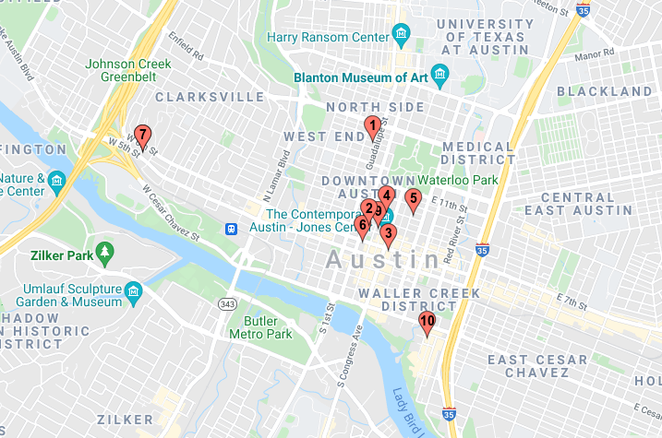
 |  |  |  |  |  |  |  |  | 11 | 801 Barton Springs Road | 2018 | 90,500 | Apr-19 | $57,000,000 | $630 | 100.0% | 6.1% | No | Fully leased to WeWork for 10 years. 9-story property in South Austin constructed in 2018. Property was purchased by WeWork through a joint venture with The We Company and Rhone Group, Inc. using their option to purchase as part of their lease
 |  |  |  |  |  |  |  |  | 12 | 1801 E 6th Street | 2019 | 134,368 | Aug-19 | $106,500,000 | $793 | 100.0% | 5.0% | No | 5-story, newly constructed creative office in East Austin finished in 2019. Sold to AEW. 100% leased to SAS and Insurance Zebra
 |  |  |  |  |  |  |  |  | 13 | 901 E 6th Street | 2019 | 129,444 | Sep-19 | $112,750,000 | $871 | 100.0% | 5.3% | No | 5-story, newly constructed creative office in East Austin finished in 2019. Sold to Clarion. 100% leased to Sysco, Realtor.com, OpCity, Gecko Robotics, and Resideo with 9.7 years WALT at time of sale
 |  |  |  |  |  |  |  |  |  | Property Averages |  |  |  | $161,083,938 | $646
 |  |  |  |  |  |  |  |  |  | Westview - Purchase Price |  | 100,166 |  | 58,250,000 | 582
 |  |  |  |  |  |  |  |  |  |  |  |  |  | Premium (Discount) | -10%
 |  |  |  |  |  |  |  |  |  | Westview - All-In Basis |  | 100,166 |  | 60,696,359 | 606
 |  |  |  |  |  |  |  |  |  |  |  |  |  | Premium (Discount) | -6%

 |  |  |  |  |  |  |  |  |  |  |  |  | Number | Address | City | State
 |  |  |  |  |  |  |  |  |  |  |  |  | 1 | 900 Congress Avenue | Austin | TX
 |  |  |  |  |  |  |  |  |  |  |  |  | 2 | 823 Congress Avenue | Austin | TX
 |  |  |  |  |  |  |  |  |  |  |  |  | 3 | 600 Congress Avenue | Austin | TX
 |  |  |  |  |  |  |  |  |  |  |  |  | 4 | 816 Congress Avenue | Austin | TX
 |  |  |  |  |  |  |  |  |  |  |  |  | 5 | 323 Congress Avenue | Austin | TX
 |  |  |  |  |  |  |  |  |  |  |  |  | 6 | 2043 S. Lamar Blvd | Austin | TX
 |  |  |  |  |  |  |  |  |  |  |  |  | 7 | 200 W. 6th Street | Austin | TX
 |  |  |  |  |  |  |  |  |  |  |  |  | 8 | 100 Congress Avenue | Austin | TX
Westview - Lease Comps |  |  |  |  |  |  |  |  |  |  |  |  | 9 | 1600 E. 4th Street | Austin | TX
# | Property | Submarket | Lease Start | Tenant | Term (Months) | SF | $ PSF (NNN) | TI |  |  |  |  | 10 | 2416 E. 6th Street | Austin | TX
 |  |  |  |  |  |  |  |  |  |  |  |  | 11 | 801 Barton Springs Road | Austin | TX
1 | Colorado Tower | CBD | May-22 | Miro | 84 | 72,530 | $45.00 | $45.00 |  |  |  |  | 12 | 1801 E 6th Street | Austin | TX
2 | 2043 S. Lamar Blvd (Bouldin Creek) | South Austin |  | Splunk | 120 | 50,000 | $45.00 | $80.00 |  |  |  |  | 13 | 901 E 6th Street | Austin | TX
3 | RiverSouth | South Austin |  | Core Scientific | 130 | 15,000 | $46.50 | $85.00
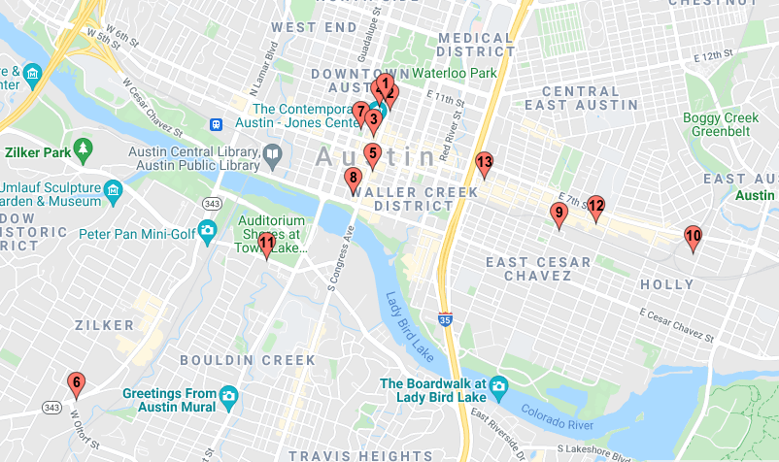
 | RiverSouth | South Austin |  | AlertMedia | 93 | 70,000 | $45.50 | $75.00
 | RiverSouth | South Austin |  | Under Armour | 93 | 22,000 | $45.50 | $75.00
 | RiverSouth | South Austin |  | Walter P Moore | 126 | 11,000 | $45.50 | $95.00
4 | 6 X Guadalupe | CBD | 2023 | Meta (Facebook) | 180 | 589,000 | $41.50 | Unknown

 | Property Averages |  |  |  |  | 118,504 | $42.60
 | Westview - Market Rate | CBD |  |  |  |  | $40.00
 |  |  |  |  |  | Premium (Discount) | 0

1 mos LIBOR
0 | Date | Rate | End of Month
 | 2022-02-16 | 0.06% | Feb-22 | Updated 2.15.22
 | 2022-03-16 | 0.19% | Mar-22
7 | 2022-04-18 | 0.44% | Apr-22
 | 2022-05-16 | 0.77% | May-22
1 Month LIBOR Forward Curve | 2022-06-16 | 0.97% | Jun-22
2017-09-11 | 2022-07-18 | 1.07% | Jul-22
 | 2022-08-16 | 1.27% | Aug-22
Warning: Neither ICE, IntercontinentalExchange Group, Inc. and ICE LIBOR can be held liable for any irregularity | 2022-09-16 | 1.27% | Sep-22
or inaccuracy of ICE LIBOR. | 2022-10-17 | 1.53% | Oct-22
LIBOR Forwards
 | 2022-11-16 | 1.53% | Nov-22
 | 2022-12-16 | 1.53% | Dec-22
 | 2023-01-16 | 1.75% | Jan-23
 | 2023-02-16 | 1.75% | Feb-23
 | 2023-03-16 | 1.95% | Mar-23
 | 2023-04-17 | 1.95% | Apr-23
 | 2023-05-16 | 1.95% | May-23
 | 2023-06-16 | 1.95% | Jun-23
 | 2023-07-17 | 2.04% | Jul-23
 | 2023-08-16 | 2.06% | Aug-23
 | 2023-09-18 | 2.08% | Sep-23
 | 2023-10-16 | 2.09% | Oct-23
 | 2023-11-16 | 2.09% | Nov-23
 | 2023-12-18 | 2.08% | Dec-23
 | 2024-01-16 | 2.08% | Jan-24
 | 2024-02-16 | 2.06% | Feb-24
 | 2024-03-18 | 2.04% | Mar-24
 | 2024-04-16 | 2.03% | Apr-24
 | 2024-05-16 | 2.01% | May-24
 | 2024-06-17 | 1.99% | Jun-24
 | 2024-07-16 | 1.98% | Jul-24
 | 2024-08-16 | 1.96% | Aug-24
 | 2024-09-16 | 1.95% | Sep-24
 | 2024-10-16 | 1.94% | Oct-24
 | 2024-11-18 | 1.92% | Nov-24
 | 2024-12-16 | 1.91% | Dec-24
 | 2025-01-16 | 1.90% | Jan-25
 | 2025-02-17 | 1.89% | Feb-25
 | 2025-03-17 | 1.88% | Mar-25
 | 2025-04-16 | 1.87% | Apr-25
 | 2025-05-16 | 1.86% | May-25
 | 2025-06-16 | 1.85% | Jun-25
 | 2025-07-16 | 1.84% | Jul-25
 | 2025-08-18 | 1.83% | Aug-25
 | 2025-09-16 | 1.83% | Sep-25
 | 2025-10-16 | 1.82% | Oct-25
 | 2025-11-17 | 1.81% | Nov-25
 | 2025-12-16 | 1.81% | Dec-25
 | 2026-01-16 | 1.80% | Jan-26
 | 2026-02-16 | 1.80% | Feb-26
 | 2026-03-16 | 1.79% | Mar-26
 | 2026-04-16 | 1.79% | Apr-26
 | 2026-05-18 | 1.79% | May-26
 | 2026-06-16 | 1.79% | Jun-26
 | 2026-07-16 | 1.79% | Jul-26
 | 2026-08-17 | 1.78% | Aug-26
 | 2026-09-16 | 1.78% | Sep-26
 | 2026-10-16 | 1.79% | Oct-26
 | 2026-11-16 | 1.79% | Nov-26
 | 2026-12-16 | 1.79% | Dec-26
 | 2027-01-18 | 1.79% | Jan-27
 | 2027-02-16 | 1.79% | Feb-27
 | 2027-03-16 | 1.80% | Mar-27
 | 2027-04-16 | 1.80% | Apr-27
 | 2027-05-17 | 1.80% | May-27
 | 2027-06-16 | 1.80% | Jun-27
 | 2027-07-16 | 1.81% | Jul-27
 | 2027-08-16 | 1.81% | Aug-27
 | 2027-09-16 | 1.81% | Sep-27
 | 2027-10-18 | 1.82% | Oct-27
 | 2027-11-16 | 1.82% | Nov-27
 | 2027-12-16 | 1.82% | Dec-27
 | 2028-01-17 | 1.82% | Jan-28
 | 2028-02-16 | 1.83% | Feb-28
 | 2028-03-16 | 1.83% | Mar-28
 | 2028-04-17 | 1.83% | Apr-28
 | 2028-05-16 | 1.83% | May-28
 | 2028-06-16 | 1.84% | Jun-28
 | 2028-07-17 | 1.84% | Jul-28
 | 2028-08-16 | 1.84% | Aug-28
 | 2028-09-18 | 1.85% | Sep-28
 | 2028-10-16 | 1.85% | Oct-28
 | 2028-11-16 | 1.85% | Nov-28
 | 2028-12-18 | 1.85% | Dec-28
 | 2029-01-16 | 1.86% | Jan-29
 | 2029-02-16 | 1.86% | Feb-29
 | 2029-03-16 | 1.86% | Mar-29
 | 2029-04-16 | 1.86% | Apr-29
 | 2029-05-16 | 1.87% | May-29
 | 2029-06-18 | 1.87% | Jun-29
 | 2029-07-16 | 1.87% | Jul-29
 | 2029-08-16 | 1.87% | Aug-29
 | 2029-09-17 | 1.88% | Sep-29
 | 2029-10-16 | 1.88% | Oct-29
 | 2029-11-16 | 1.88% | Nov-29
 | 2029-12-17 | 1.88% | Dec-29
 | 2030-01-16 | 1.89% | Jan-30
 | 2030-02-18 | 1.89% | Feb-30
 | 2030-03-18 | 1.89% | Mar-30
 | 2030-04-16 | 1.89% | Apr-30
 | 2030-05-16 | 1.90% | May-30
 | 2030-06-17 | 1.90% | Jun-30
 | 2030-07-16 | 1.90% | Jul-30
 | 2030-08-16 | 1.90% | Aug-30
 | 2030-09-16 | 1.91% | Sep-30
 | 2030-10-16 | 1.91% | Oct-30
 | 2030-11-18 | 1.91% | Nov-30
 | 2030-12-16 | 1.91% | Dec-30
 | 2031-01-16 | 1.92% | Jan-31
 | 2031-02-17 | 1.92% | Feb-31
 | 2031-03-17 | 1.92% | Mar-31
 | 2031-04-16 | 1.92% | Apr-31
 | 2031-05-16 | 1.93% | May-31
 | 2031-06-16 | 1.93% | Jun-31
 | 2031-07-16 | 1.93% | Jul-31
 | 2031-08-18 | 1.93% | Aug-31
 | 2031-09-16 | 1.93% | Sep-31
 | 2031-10-16 | 1.94% | Oct-31
 | 2031-11-17 | 1.94% | Nov-31
 | 2031-12-16 | 1.94% | Dec-31
 | 2032-01-16 | 1.94% | Jan-32
 | 2032-02-16 | 1.95% | Feb-32
 | 2028-05-18 | 1.90% | May-28
 | 2028-06-19 | 1.91% | Jun-28
 | 2028-07-18 | 1.91% | Jul-28
 | 2028-08-18 | 1.92% | Aug-28
 | 2028-09-18 | 1.93% | Sep-28
 | 2028-10-18 | 1.93% | Oct-28
 | 2028-11-20 | 1.94% | Nov-28
 | 2028-12-18 | 1.95% | Dec-28
 | 2029-01-18 | 1.96% | Jan-29
 | 2029-02-19 | 1.96% | Feb-29
 | 2029-03-19 | 1.97% | Mar-29
 | 2029-04-18 | 1.97% | Apr-29
 | 2029-05-18 | 1.98% | May-29
 | 2029-06-18 | 1.98% | Jun-29
 | 2029-07-18 | 1.98% | Jul-29
 | 2029-08-20 | 1.99% | Aug-29

